Q1_HW2_c&d
TreePlan Student License |  |  |  |  |  |  |  |  | 0.2 |  | For Education Only | High Pricing |  |  |  | High Pricing | Probability |  |  | High Pricing | Probability (CDF)
 |  |  |  |  |  |  |  |  | High Sales |  |  | High Sales/Severe Competiton | 0.04 | 2450000 |  | High Sales | 0.245 | 2450000 |  | High Sales | 1.000 | 2450000
 |  |  |  |  |  |  |  |  |  |  | 2450000 | Medium Sales/Severe Competiton | 0.05 | 1450000 |  | Medium Sales | 0.295 | 1450000 |  | Medium Sales | 0.755 | 1450000
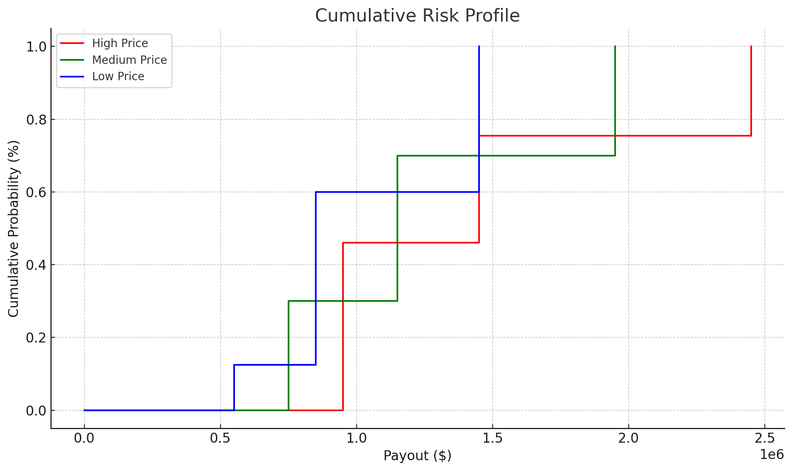
 |  |  |  |  |  |  |  |  | 2500000 | 2450000 |  | Low Sales/Severe Competiton | 0.11 | 950000 |  | Low Sales | 0.460 | 950000 |  | Low Sales | 0.460 | 950000
 |  |  |  |  |  |  |  |  |  |  |  | High Sales/Moderate Competiton | 0.175 | 2450000
 |  |  |  |  |  |  | 0.2 |  | 0.25 |  |  | Medium Sales/Moderate Competiton | 0.21 | 1450000
 |  |  |  |  |  |  | Severe Competition |  | Medium Sales |  |  | Low Sales/Moderate Competiton | 0.315 | 950000
 |  |  |  |  |  |  |  |  |  |  | 1450000 | High Sales/Low Competiton | 0.03 | 2450000
 |  |  |  |  |  |  | 0 | 1375000 | 1500000 | 1450000 |  | Medium Sales/Low Competiton | 0.035 | 1450000
 |  |  |  |  |  |  |  |  |  |  |  | Low Sales/Low Competiton | 0.035 | 950000
 |  |  |  |  |  |  |  |  | 0.55
 |  |  |  |  |  |  |  |  | Low Sales |  |  | Medium Pricing |  |  |  | Medium Pricing | Probability |  |  | Medium Pricing | Probability (CDF)
 |  |  |  |  |  |  |  |  |  |  | 950000 | High Sales/Severe Competiton | 0.05 | 1950000 |  | High Sales | 0.300 | 1950000 |  | High Sales | 1.000 | 1950000
 |  |  |  |  |  |  |  |  | 1000000 | 950000 |  | Medium Sales/Severe Competiton | 0.07 | 1150000 |  | Medium Sales | 0.400 | 1150000 |  | Medium Sales | 0.700 | 1150000
 |  |  |  |  |  |  |  |  |  |  |  | Low Sales/Severe Competiton | 0.08 | 750000 |  | Low Sales | 0.300 | 750000 |  | Low Sales | 0.300 | 750000
 |  |  |  |  |  |  |  |  | 0.25 |  |  | High Sales/Moderate Competiton | 0.21 | 1950000
 |  |  |  |  |  |  |  |  | High Sales |  |  | Medium Sales/Moderate Competiton | 0.28 | 1150000
 |  |  |  |  |  |  |  |  |  |  | 2450000 | Low Sales/Moderate Competiton | 0.21 | 750000
 |  |  |  |  |  |  |  |  | 2500000 | 2450000 |  | High Sales/Low Competiton | 0.04 | 1950000
 |  |  |  |  |  |  |  |  |  |  |  | Medium Sales/Low Competiton | 0.05 | 1150000
 |  |  |  |  |  |  | 0.7 |  | 0.3 |  |  | Low Sales/Low Competiton | 0.01 | 750000
 |  |  |  |  | High Pricing |  | Moderate Competition |  | Medium Sales
 |  |  |  |  |  |  |  |  |  |  | 1450000 | Low Pricing |  |  |  | Low Pricing | Probability |  |  | Low Pricing | Probability (CDF)
 |  |  |  |  | 0 | 1465000 | 0 | 1475000 | 1500000 | 1450000 |  | High Sales/Severe Competiton | 0.07 | 1450000 |  | High Sales | 0.400 | 1450000 |  | High Sales | 1.000 | 1450000
 |  |  |  |  |  |  |  |  |  |  |  | Medium Sales/Severe Competiton | 0.08 | 850000 |  | Medium Sales | 0.475 | 850000 |  | Medium Sales | 0.600 | 850000
 |  |  |  |  |  |  |  |  | 0.45 |  |  | Low Sales/Severe Competiton | 0.05 | 550000 |  | Low Sales | 0.125 | 550000 |  | Low Sales | 0.125 | 550000
 |  |  |  |  |  |  |  |  | Low Sales |  |  | High Sales/Moderate Competiton | 0.28 | 1450000
 |  |  |  |  |  |  |  |  |  |  | 950000 | Medium Sales/Moderate Competiton | 0.35 | 850000
 |  |  |  |  |  |  |  |  | 1000000 | 950000 |  | Low Sales/Moderate Competiton | 0.07 | 550000
 |  |  |  |  |  |  |  |  |  |  |  | High Sales/Low Competiton | 0.05 | 1450000
 |  |  |  |  |  |  |  |  | 0.3 |  |  | Medium Sales/Low Competiton | 0.045 | 850000
 |  |  |  |  |  |  |  |  | High Sales |  |  | Low Sales/Low Competiton | 0.005 | 550000
 |  |  |  |  |  |  |  |  |  |  | 2450000
 |  |  |  |  |  |  |  |  | 2500000 | 2450000

 |  |  |  |  |  |  | 0.1 |  | 0.35
 |  |  |  |  |  |  | Weak Competition |  | Medium Sales
 |  |  |  |  |  |  |  |  |  |  | 1450000 | Severe | 0.2
 |  |  |  |  |  |  | 0 | 1575000 | 1500000 | 1450000 |  | Moderate | 0.7
 |  |  |  |  |  |  |  |  |  |  |  | Weak | 0.1
 |  |  |  |  |  |  |  |  | 0.35
 |  |  |  |  |  |  |  |  | Low Sales
 |  |  |  |  |  |  |  |  |  |  | 950000
 |  |  |  |  |  |  |  |  | 1000000 | 950000 |  | Moderate | Severe
 |  |  |  |  |  |  |  |  |  |  |  |  | High | 0 | 0.1 | 0.2 | 0.3 | 0.4 | 0.5 | 0.6 | 0.7 | 0.8 | 0.9 | 1
 |  |  |  |  |  |  |  |  | 0.25 |  |  |  | 1 | High
 |  |  |  |  |  |  |  |  | High Sales |  |  |  | 0.9 | High | High
 |  |  |  |  |  |  |  |  |  |  | 1950000 |  | 0.8 | High | High | High
 |  |  |  |  |  |  |  |  | 2000000 | 1950000 |  |  | 0.7 | High | High | High | High
 |  |  |  |  |  |  |  |  |  |  |  |  | 0.6 | High | High | High | High | High
 |  |  |  |  |  |  | 0.2 |  | 0.35 |  |  |  | 0.5 | High | High | High | High | High | High
 |  |  |  |  |  |  | Severe Competition |  | Medium Sales |  |  |  | 0.4 | High | High | High | High | High | High | High
 |  |  |  |  |  |  |  |  |  |  | 1150000 |  | 0.3 | High | High | High | High | High | High | High | High
 |  |  |  |  |  |  | 0 | 1190000 | 1200000 | 1150000 |  |  | 0.2 | High | High | High | High | High | High | High | High | High
 |  |  |  |  |  |  |  |  |  |  |  |  | 0.1 | High | High | High | High | High | High | High | High | High | High
 |  |  |  |  |  |  |  |  | 0.4 |  |  |  | 0 | High | High | High | High | High | High | High | High | High | High | High
 |  |  |  |  |  |  |  |  | Low Sales
 |  |  |  |  |  |  |  |  |  |  | 750000
 |  |  |  |  |  |  |  |  | 800000 | 750000

 |  |  |  |  |  |  |  |  | 0.3
 |  |  |  |  |  |  |  |  | High Sales
 |  |  |  |  |  |  |  |  |  |  | 1950000
 |  |  |  |  |  |  |  |  | 2000000 | 1950000

 |  |  |  |  |  |  | 0.7 |  | 0.4
 |  | Launch |  |  | Medium Pricing |  | Moderate Competition |  | Medium Sales
 |  |  |  | 1 |  |  |  |  |  |  | 1150000
 |  | -50000 | 1465000 |  | 0 | 1270000 | 0 | 1270000 | 1200000 | 1150000

 |  |  |  |  |  |  |  |  | 0.3
 |  |  |  |  |  |  |  |  | Low Sales
 |  |  |  |  |  |  |  |  |  |  | 750000
 |  |  |  |  |  |  |  |  | 800000 | 750000

 |  |  |  |  |  |  |  |  | 0.4
 |  |  |  |  |  |  |  |  | High Sales
 |  |  |  |  |  |  |  |  |  |  | 1950000
 |  |  |  |  |  |  |  |  | 2000000 | 1950000

 |  |  |  |  |  |  | 0.1 |  | 0.5
 |  |  |  |  |  |  | Weak Competition |  | Medium Sales
 |  |  |  |  |  |  |  |  |  |  | 1150000
 |  |  |  |  |  |  | 0 | 1430000 | 1200000 | 1150000

 |  |  |  |  |  |  |  |  | 0.1
 |  |  |  |  |  |  |  |  | Low Sales
 |  |  |  |  |  |  |  |  |  |  | 750000
 |  |  |  |  |  |  |  |  | 800000 | 750000

 |  |  |  |  |  |  |  |  | 0.35
 |  |  |  |  |  |  |  |  | High Sales
 |  |  |  |  |  |  |  |  |  |  | 1450000
 |  |  |  |  |  |  |  |  | 1500000 | 1450000

 |  |  |  |  |  |  | 0.2 |  | 0.4
 |  |  |  |  |  |  | Severe Competition |  | Medium Sales
 |  |  |  |  |  |  |  |  |  |  | 850000
 |  |  |  |  |  |  | 0 | 985000 | 900000 | 850000

 |  |  |  |  |  |  |  |  | 0.25
 |  |  |  |  |  |  |  |  | Low Sales
 | 1 |  |  |  |  |  |  |  |  |  | 550000
1465000 |  |  |  |  |  |  |  |  | 600000 | 550000

 |  |  |  |  |  |  |  |  | 0.4
 |  |  |  |  |  |  |  |  | High Sales
 |  |  |  |  |  |  |  |  |  |  | 1450000
 |  |  |  |  |  |  |  |  | 1500000 | 1450000

 |  |  |  |  |  |  | 0.7 |  | 0.5
 |  |  |  |  | Low Pricing |  | Moderate Competition |  | Medium Sales
 |  |  |  |  |  |  |  |  |  |  | 850000
 |  |  |  |  | 0 | 1052500 | 0 | 1060000 | 900000 | 850000

 |  |  |  |  |  |  |  |  | 0.1
 |  |  |  |  |  |  |  |  | Low Sales
 |  |  |  |  |  |  |  |  |  |  | 550000
 |  |  |  |  |  |  |  |  | 600000 | 550000

 |  |  |  |  |  |  |  |  | 0.5
 |  |  |  |  |  |  |  |  | High Sales
 |  |  |  |  |  |  |  |  |  |  | 1450000
 |  |  |  |  |  |  |  |  | 1500000 | 1450000

 |  |  |  |  |  |  | 0.1 |  | 0.45
 |  |  |  |  |  |  | Weak Competition |  | Medium Sales
 |  |  |  |  |  |  |  |  |  |  | 850000
 |  |  |  |  |  |  | 0 | 1135000 | 900000 | 850000

 |  |  |  |  |  |  |  |  | 0.05
 |  |  |  |  |  |  |  |  | Low Sales
 |  |  |  |  |  |  |  |  |  |  | 550000
 |  |  |  |  |  |  |  |  | 600000 | 550000

 |  | Abandon
 |  |  |  |  |  |  |  |  |  |  | -800000
 |  | -800000 | -800000

